Sheet1
Unidirectional Stat data

Stats WebSocket Broadcaster Actor
Spray.IO HTTP Client
Akka IO
TweetProcessor Actors
... by query string
... by time-period
In-Memory Cache
JSON Unmarshaller
Authenticator
TweetStreamer
Periodic Push
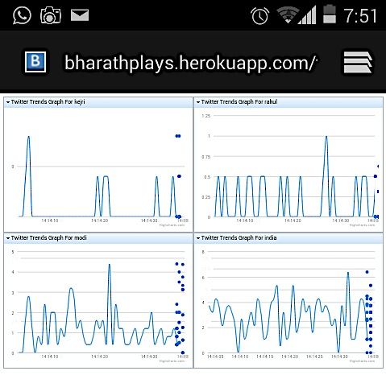

Dashboard HTTP Action Handler

HTTP Request-Response to render HTML

